Sheet1
...
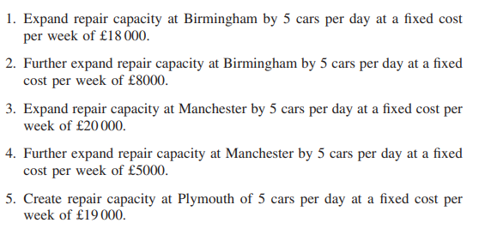
...
 |  |  |  |  |  |  |  |  |  |  |  |  |  |  |  |  | Q2 Variables : | ER=Expand repair |  | B=Birmingham |  | C=Create
 |  |  |  |  |  |  |  |  |  |  |  |  |  |  |  |  |  | FER=Further expand repair |  | M=Manchester |  | P=Plymouth
 |  |  |  |  |  |  |  |  |  |  |  |  |  |  |  |  |  | cost:
 |  |  |  |  |  |  |  |  |  |  |  |  |  |  |  |  |  | 18000 | 8000 | 20000 | 5000 | 19000
 |  |  |  |  |  |  |  |  |  |  |  |  |  |  |  |  |  | ER B | FER B | ER M | FER M | C P | sum:
 |  |  |  |  |  |  |  |  |  |  |  |  |  |  |  |  |  | 0 | 0 | 1 | 1 | 0 | 2
...
0 | 0
0 | 0 | Demand at depot i on day t
0 | 0 | cars rented out from depot i at beginning of day t |  |  |  |  | <= | Estimated rent count |  |  |  |  | for each i t;
0 | 5 |  | Glasgow | Manchester | Birmingham | Plymouth |  |  | Glasgow | Manchester | Birmingham | Plymouth
0 | 12 | Monday | 100 | 237 | 95 | 89 |  | Monday | 100 | 250 | 95 | 160
5 | 22 | Tuesday | 140 | 143 | 195 | 55 |  | Tuesday | 150 | 143 | 195 | 99
 |  | Wednesday | 94 | 80 | 242 | 53 |  | Wednesday | 135 | 80 | 242 | 55
 |  | Thursday | 83 | 206 | 111 | 64 |  | Thursday | 83 | 225 | 111 | 96
Plymouth | sum | Friday | 120 | 158 | 70 | 61 |  | Friday | 120 | 210 | 70 | 115
0 | 10 | Saturday | 0 | 0 | 124 | 0 |  | Saturday | 230 | 98 | 124 | 80
3
3
0 | 0
0 | 0 | Total number of cars
0 | 6 | 955.49933304 | = | 955.49933304
0
 |  |  |  |  | K=1 |  |  |  |  |  | K=2
Plymouth | sum | Q1&Q2 Objective: |  |  |  | Glasgow | Manchester | Birmingham | Plymouth | + |  | Glasgow | Manchester | Birmingham | Plymouth | +
0 | 12 |  |  |  | Monday | 1320 | 2864 | 1129 | 1034 |  | Monday | 660 | 1432 | 564 | 517
0 | 0 | 130792.951923 |  | = | Tuesday | 1854 | 1730 | 2317 | 643 |  | Tuesday | 927 | 865 | 1158 | 321
0 | 0 |  |  |  | Wednesday | 1244 | 968 | 2875 | 617 |  | Wednesday | 622 | 484 | 1437 | 309
0 | 7 |  |  |  | Thursday | 1096 | 2489 | 1319 | 752 |  | Thursday | 548 | 1244 | 659 | 376
0 |  |  |  |  | Friday | 1584 | 1914 | 832 | 706 |  | Friday | 792 | 957 | 416 | 353
 |  |  |  |  | +
Plymouth | sum
0 | 8
0 | 0
...
 |  |  |  |  |  | Glasgow | Manchester | Birmingham | Plymouth
 |  |  |  |  | K=1 | 0 | 0 | 737 | 0

 |  |  |  |  | +

1
 |  |  |  |  |  | Glasgow | Manchester | Birmingham | Plymouth
 |  |  |  |  | Glasgow |  | 0 | 0 | 0
 |  |  |  |  | Manchester | 0 |  | 0 | 0
 |  |  |  |  | Birmingham | 409 | 546 |  | 300
 |  |  |  |  | Plymouth | 0 | 0 | 0
 |  |  |  |  | +

 |  |  |  |  |  | Glasgow | Manchester | Birmingham | Plymouth |  |  | Glasgow | Manchester | Birmingham | Plymouth
 |  |  |  |  | K=2 | 0 | 0 | 737 | 0 | + | K=2 | 0 | 0 | 970 | 0

 |  |  |  |  | K=3 | 0 | 0 | 1674 | 0 |  | K=3 | 0 | 0 | 1854 | 0
...

